19-20
FY 19-20

Month | Invoices |  | Credit Note |  | Remittances |  | Journal Adjustments |  | Month End Balance | Disputes / Discounts not accounted

 | No. | INR | No. | INR | No. | INR | Dr. | Cr
Openin Bal. |  | 0.00 |  |  |  |  |  |  | 0.00
Apr-19 |  | 0.00 |  | - |  | 0.00 | 0.00 | 0.00 | 0.00
May-19 |  | 0.00 |  | - |  | 0.00 | 0.00 | 0.00 | 0.00
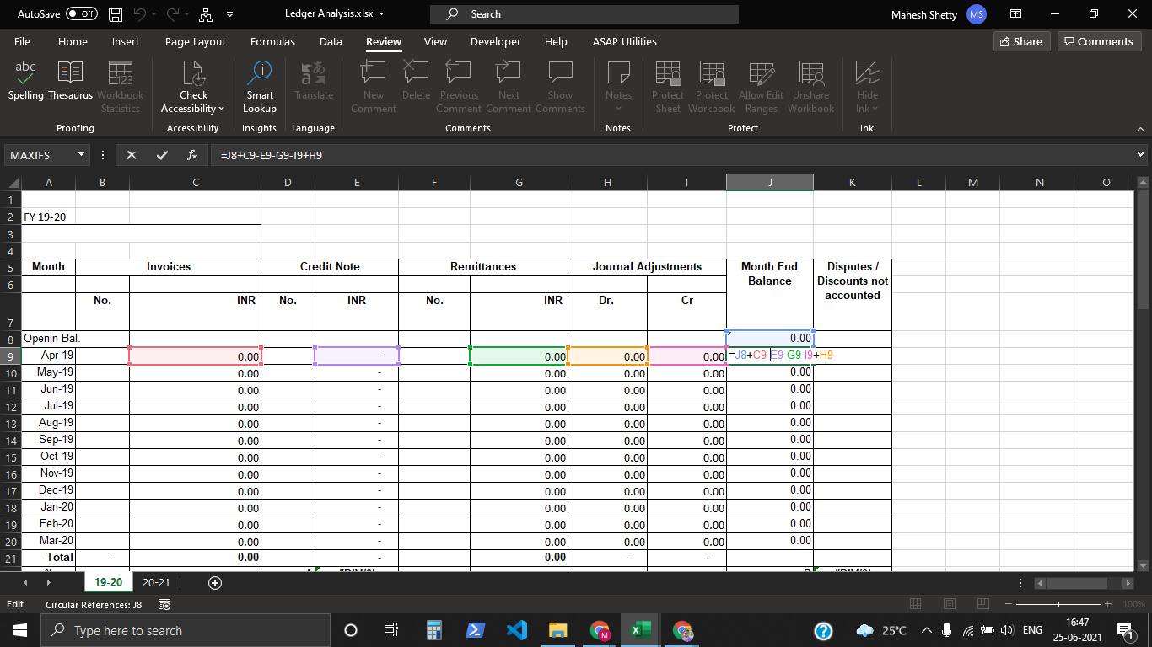
Jun-19 |  | 0.00 |  | - |  | 0.00 | 0.00 | 0.00 | 0.00
Jul-19 |  | 0.00 |  | - |  | 0.00 | 0.00 | 0.00 | 0.00
Aug-19 |  | 0.00 |  | - |  | 0.00 | 0.00 | 0.00 | 0.00
Sep-19 |  | 0.00 |  | - |  | 0.00 | 0.00 | 0.00 | 0.00
Oct-19 |  | 0.00 |  | - |  | 0.00 | 0.00 | 0.00 | 0.00
Nov-19 |  | 0.00 |  | - |  | 0.00 | 0.00 | 0.00 | 0.00
Dec-19 |  | 0.00 |  | - |  | 0.00 | 0.00 | 0.00 | 0.00
Jan-20 |  | 0.00 |  | - |  | 0.00 | 0.00 | 0.00 | 0.00
Feb-20 |  | 0.00 |  | - |  | 0.00 | 0.00 | 0.00 | 0.00
Mar-20 |  | 0.00 |  | - |  | 0.00 | 0.00 | 0.00 | 0.00
Total | - | 0.00 |  | - |  | 0.00 | - | -
%age |  |  | A | #DIV/0! |  |  |  |  | B | #DIV/0!
 |  |  |  |  |  |  |  | Total Dilution (A+B) |  | #DIV/0!
Comments

 |  | Actual Average collection period |  | #DIV/0! | Days
 |  | Agreed Payment terms |  |  | Days

